Pointing Eff Acc
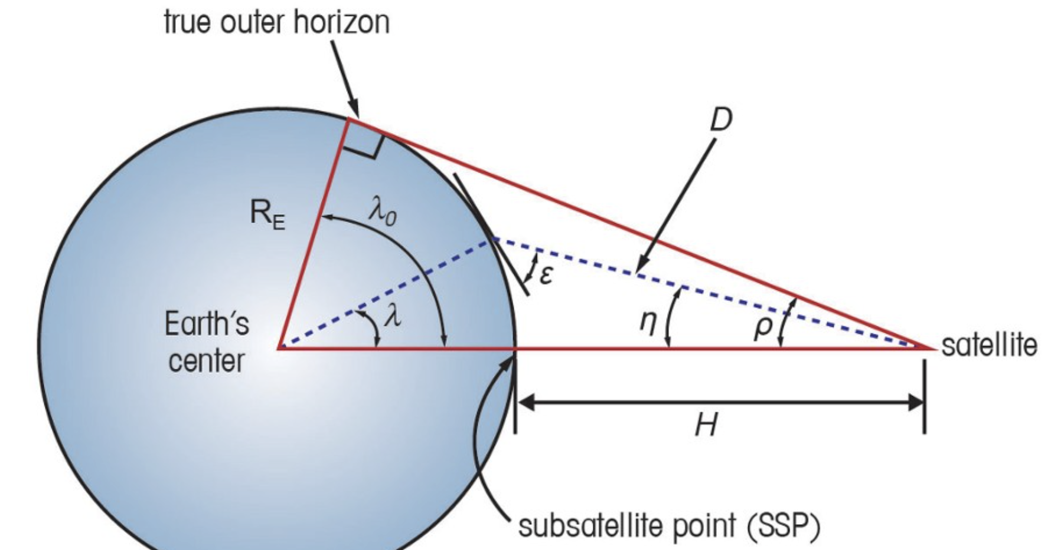
 |  | moon radius | 1373 | km | 1373 | 1373 | 1373 | 1373 | 1373 | 1373 | km
 |  | orbit altitude | 402 | km | 1300 | 1300 | 1300 | 1300 | 1300 | 1300 | km

 |  | ideal case (flyover)
 |  | minimum elevation | 12 | deg | 12 | 12 | 12 | 12 | 12 | 12 | deg
 |  | maximum elevation | 90 | deg | 90 | 90 | 90 | 90 | 90 | 90 | deg
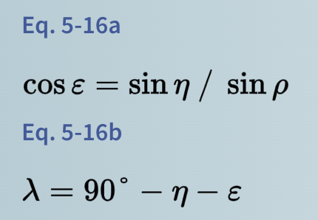
 |  | worst case (perpendicular flight)
 |  | minimum elevation | 12 | deg | 12 | 12 | 12 | 12 | 12 | 12 | deg
 |  | maximum elevation | 45 | deg | 67 | 67 | 67 | 67 | 67 | 67 | deg

 |  | elevation | 1.55 | rad | 0.26 | 0.52 | 0.79 | 1.05 | 1.31 | 1.57 | rad
 |  | elevation | 89 | deg | 15 | 30 | 45 | 60 | 75 | 90 | deg
 |  | rho | 0.88 | rad | 0.54 | 0.54 | 0.54 | 0.54 | 0.54 | 0.54 | rad
 |  | rho | 50.7 | deg | 30.9 | 30.9 | 30.9 | 30.9 | 30.9 | 30.9 | deg
 |  | nadir | 0.0 | rad | 0.5 | 0.5 | 0.4 | 0.3 | 0.1 | 0.0 | rad
 |  | nadir | 0.8 | deg | 29.7 | 26.4 | 21.3 | 14.9 | 7.6 | 0.1 | deg
 |  | lambda | 0.0 | rad | 0.8 | 0.6 | 0.4 | 0.3 | 0.1 | 0.0 | rad
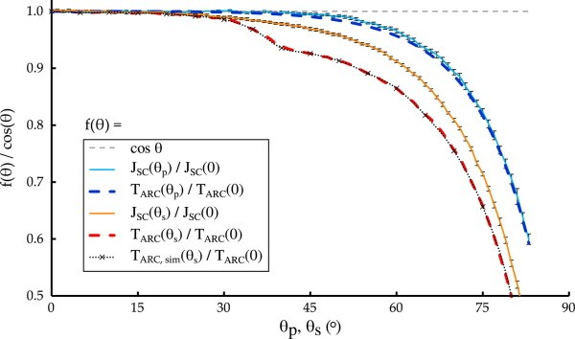
 |  | lambda | 0.2 | deg | 45.3 | 33.6 | 23.7 | 15.1 | 7.4 | 0.0 | deg
 |  | range | 402 | km | 1965 | 1707 | 1520 | 1394 | 1323 | 1300 | km

 |  |  |  |  |  |  |  |  |  |  |  |  |  |  |  |  |  |  | this graph not accounted for in calculations
 |  | receiver diameter | 60 | cm | 60 | 60 | 60 | 60 | 60 | 60 | cm |  |  |  |  |  |  |  | need to consider elevations greater than 30 deg to get 90%+ efficiency
 |  | receiver area | 0.28 | m2 | 0.28 | 0.28 | 0.28 | 0.28 | 0.28 | 0.28 | m2 | 𝜃=90-elev
 |  | effective area | 0.28 | m2 | 0.07 | 0.14 | 0.20 | 0.24 | 0.27 | 0.28 | m2 | 𝜋∗𝑟2∗cos𝜃

 |  | initial beam diameter | 122 | cm | 122 | 122 | 122 | 122 | 122 | 122 | cm
 |  | beam diameter at rcvr | 122 | cm | 122 | 122 | 122 | 122 | 122 | 122 | cm | assume columnated?
 |  | beam area at rcvr | 1.17 | m2 | 1.17 | 1.17 | 1.17 | 1.17 | 1.17 | 1.17 | m2

 |  | error tolerance | 31 | cm | 31 | 31 | 31 | 31 | 31 | 31 | cm | (beam dia - rec diam) / 2

 |  | required pointing accuracy | 0.77 | urad | 0.16 | 0.18 | 0.20 | 0.22 | 0.23 | 0.24 | urad | atan(error tol/range)
 |  | laser panel eff (0 deg) | 0.50 |  | 0.50 | 0.50 | 0.50 | 0.50 | 0.50 | 0.50
 |  | elevation + beam diameter adjustment | 0.24 |  | 0.06 | 0.12 | 0.17 | 0.21 | 0.23 | 0.24 |  | eff rcvr area/beam area
 |  | overall adjusted eff | 0.12 |  | 0.03 | 0.06 | 0.09 | 0.10 | 0.12 | 0.12

Elevation Angle and Beam Diameter Eficiency
beam
rcv
 | 24% | max pointing eff
 | 21% | avg pointing eff
 | 12% | max overall panel eff |  |  |  |  |  |  |  |  |  |  |  |  |  |  | pointing accuracy tolerance
 | 11% | avg overall pointing eff |  |  |  |  |  |  |  |  |  |  | error tolerance |  |  |  |  | https://www.mdpi.com/2413-4155/3/1/4#:~:text=hundred%20kilometers%20away.-,3.2.2,-.%20Acquisition%2C%20Tracking%2C%20and
 |  |  |  |  |  |  |  |  |  |  |  |  |  |  |  | range
beam
rcv
1 | select beam and rcvr diameter to allow urad pointing accuracy (beam dia = recvr diam + pointing error) |  |  |  |  |  |  |  |  |  |  |  |  |  | misaligned by (beam dia - rcv dia)/2
2 | select 45 deg elevation min
3 | select pointing eff (avg eff above 45 deg) |  |  |  |  |  |  |  |  |  |  |  |  | ideal alignment

Laser Count Analysis
survival | average | maximum |  |  | Orbit Altitude |  |  |  | 1300 | min |  |  |  | 402 | 1300 | km |  | assume 45 deg elevation for beam time
10 Watts | 50 Watts | 80 Watts |  |  | Orbit Period |  |  |  | 250 | min |  |  |  | 148 | 250 | min
50 Watts | 200 Watts | 250 Watts |  |  | Contact Time |  |  |  | 30 | min |  |  |  | 8 | 30 | min
80 Watts | 350 Watts | 500 Watts |  |  | Laser Power Output |  |  |  | 16 | kW |  |  |  | 16 | 16 | kW
83 | 325 | 450

 |  | Total Laser Power (kW) | 2 | 4 | 6 | 8 | 10 | 12 | 14 | 16 | 18 | 20 | 22 | 24 | 26 | 28 | 30 | 32 | 34 | 36 | 38 | 40 | 42 | 44 | 46 | 48 | 50
 |  | Duty Cycle | 50% | 50% | 50% | 50% | 50% | 50% | 50% | 50% | 50% | 50% | 50% | 50% | 50% | 50% | 50% | 50% | 50% | 50% | 50% | 50% | 50% | 50% | 50% | 50% | 50%
 |  | Pointing Eff | 20% | 20% | 20% | 20% | 20% | 20% | 20% | 20% | 20% | 20% | 20% | 20% | 20% | 20% | 20% | 20% | 20% | 20% | 20% | 20% | 20% | 20% | 20% | 20% | 20%
 |  | Laser Panel Eff | 50% | 50% | 50% | 50% | 50% | 50% | 50% | 50% | 50% | 50% | 50% | 50% | 50% | 50% | 50% | 50% | 50% | 50% | 50% | 50% | 50% | 50% | 50% | 50% | 50%
 |  | Veh EPS Eff | 85% | 85% | 85% | 85% | 85% | 85% | 85% | 85% | 85% | 85% | 85% | 85% | 85% | 85% | 85% | 85% | 85% | 85% | 85% | 85% | 85% | 85% | 85% | 85% | 85%
 |  | Laser Panel Output (kW) | 0.1 | 0.2 | 0.3 | 0.3 | 0.4 | 0.5 | 0.6 | 0.7 | 0.8 | 0.9 | 0.9 | 1.0 | 1.1 | 1.2 | 1.3 | 1.4 | 1.4 | 1.5 | 1.6 | 1.7 | 1.8 | 1.9 | 2.0 | 2.0 | 2.1

 |  | Orbit Period | 250 | 250 | 250 | 250 | 250 | 250 | 250 | 250 | 250 | 250 | 250 | 250 | 250 | 250 | 250 | 250 | 250 | 250 | 250 | 250 | 250 | 250 | 250 | 250 | 250
 |  | Beam time/orbit (min) | 30 | 30 | 30 | 30 | 30 | 30 | 30 | 30 | 30 | 30 | 30 | 30 | 30 | 30 | 30 | 30 | 30 | 30 | 30 | 30 | 30 | 30 | 30 | 30 | 30
 |  | Orbits/day | 5.8 | 5.8 | 5.8 | 5.8 | 5.8 | 5.8 | 5.8 | 5.8 | 5.8 | 5.8 | 5.8 | 5.8 | 5.8 | 5.8 | 5.8 | 5.8 | 5.8 | 5.8 | 5.8 | 5.8 | 5.8 | 5.8 | 5.8 | 5.8 | 5.8
 |  | Beam time/day (hrs) | 2.9 | 2.9 | 2.9 | 2.9 | 2.9 | 2.9 | 2.9 | 2.9 | 2.9 | 2.9 | 2.9 | 2.9 | 2.9 | 2.9 | 2.9 | 2.9 | 2.9 | 2.9 | 2.9 | 2.9 | 2.9 | 2.9 | 2.9 | 2.9 | 2.9

 |  | Total Power Delivered/day (kWh) | 0.2 | 0.5 | 0.7 | 1.0 | 1.2 | 1.5 | 1.7 | 2.0 | 2.2 | 2.4 | 2.7 | 2.9 | 3.2 | 3.4 | 3.7 | 3.9 | 4.2 | 4.4 | 4.7 | 4.9 | 5.1 | 5.4 | 5.6 | 5.9 | 6.1
 |  | Cont. Surface Power Provided (W) | 10.2 | 20.4 | 30.6 | 40.8 | 51.0 | 61.2 | 71.4 | 81.6 | 91.8 | 102.0 | 112.2 | 122.4 | 132.6 | 142.8 | 153.0 | 163.2 | 173.4 | 183.6 | 193.8 | 204.0 | 214.2 | 224.4 | 234.6 | 244.8 | 255.0

 |  | Max Intensity at Vehicle (kW/m2) | 1.7 | 3.4 | 5.1 | 6.8 | 8.6 | 10.3 | 12.0 | 13.7 | 15.4 | 17.1 | 18.8 | 20.5 | 22.2 | 24.0 | 25.7 | 27.4 | 29.1 | 30.8 | 32.5 | 34.2 | 35.9 | 37.6 | 39.4 | 41.1 | 42.8
 |  | Max Allowable Intensity at Vehicle (kW/m2) | 13.7 | 13.7 | 13.7 | 13.7 | 13.7 | 13.7 | 13.7 | 13.7 | 13.7 | 13.7 | 13.7 | 13.7 | 13.7 | 13.7 | 13.7 | 13.7 | 13.7 | 13.7 | 13.7 | 13.7 | 13.7 | 13.7 | 13.7 | 13.7 | 13.7
 |  | Required Number of Beams | 1 | 1 | 1 | 1 | 1 | 1 | 1 | 1 | 2 | 2 | 2 | 2 | 2 | 2 | 2 | 2 | 3 | 3 | 3 | 3 | 3 | 3 | 3 | 3 | 4

 | older analysis -----------------

 |  | Surface Power Reqt (W) | 40 | 60 | 80 | 100 | 120 | 140 | 160 | 180 | 200 | 220 | 240 | 260 | 280 | 300 | 320 | 340 | 360 | 380 | 400 | 420 | 440 | 460 | 480 | 520 | 540 | 560 | 580 | 600 | 620 | 640
 |  | Energy Reqt (kWh/day) | 0.96 | 1.44 | 1.92 | 2.40 | 2.88 | 3.36 | 3.84 | 4.32 | 4.80 | 5.28 | 5.76 | 6.24 | 6.72 | 7.20 | 7.68 | 8.16 | 8.64 | 9.12 | 9.60 | 10.08 | 10.56 | 11.04 | 11.52 | 12.48 | 12.96 | 13.44 | 13.92 | 14.40 | 14.88 | 15.36

 |  | Pointing eff | 40% | 40% | 40% | 40% | 40% | 40% | 40% | 40% | 40% | 40% | 40% | 40% | 40% | 40% | 40% | 40% | 40% | 40% | 40% | 40% | 40% | 40% | 40% | 40% | 40% | 40% | 40% | 40% | 40% | 40%
 |  | Laser Panel eff | 50% | 50% | 50% | 50% | 50% | 50% | 50% | 50% | 50% | 50% | 50% | 50% | 50% | 50% | 50% | 50% | 50% | 50% | 50% | 50% | 50% | 50% | 50% | 50% | 50% | 50% | 50% | 50% | 50% | 50%
 |  | Vehicle EPS eff | 85% | 85% | 85% | 85% | 85% | 85% | 85% | 85% | 85% | 85% | 85% | 85% | 85% | 85% | 85% | 85% | 85% | 85% | 85% | 85% | 85% | 85% | 85% | 85% | 85% | 85% | 85% | 85% | 85% | 85%
 |  | Energy reqt after eff (kWh/day) | 5.65 | 8.47 | 11.29 | 14.12 | 16.94 | 19.76 | 22.59 | 25.41 | 28.24 | 31.06 | 33.88 | 36.71 | 39.53 | 42.35 | 45.18 | 48.00 | 50.82 | 53.65 | 56.47 | 59.29 | 62.12 | 64.94 | 67.76 | 73.41 | 76.24 | 79.06 | 81.88 | 84.71 | 87.53 | 90.35

 |  | Orbit Period | 250 | 250 | 250 | 250 | 250 | 250 | 250 | 250 | 250 | 250 | 250 | 250 | 250 | 250 | 250 | 250 | 250 | 250 | 250 | 250 | 250 | 250 | 250 | 250 | 250 | 250 | 250 | 250 | 250 | 250
 |  | Beam time/orbit (min) | 30 | 30 | 30 | 30 | 30 | 30 | 30 | 30 | 30 | 30 | 30 | 30 | 30 | 30 | 30 | 30 | 30 | 30 | 30 | 30 | 30 | 30 | 30 | 30 | 30 | 30 | 30 | 30 | 30 | 30
 |  | Orbits/day | 5.76 | 5.76 | 5.76 | 5.76 | 5.76 | 5.76 | 5.76 | 5.76 | 5.76 | 5.76 | 5.76 | 5.76 | 5.76 | 5.76 | 5.76 | 5.76 | 5.76 | 5.76 | 5.76 | 5.76 | 5.76 | 5.76 | 5.76 | 5.76 | 5.76 | 5.76 | 5.76 | 5.76 | 5.76 | 5.76
 |  | Beam time/day (hrs) | 2.88 | 2.88 | 2.88 | 2.88 | 2.88 | 2.88 | 2.88 | 2.88 | 2.88 | 2.88 | 2.88 | 2.88 | 2.88 | 2.88 | 2.88 | 2.88 | 2.88 | 2.88 | 2.88 | 2.88 | 2.88 | 2.88 | 2.88 | 2.88 | 2.88 | 2.88 | 2.88 | 2.88 | 2.88 | 2.88

 |  | Panel Input Power Reqt (kW) | 1.96 | 2.94 | 3.92 | 4.90 | 5.88 | 6.86 | 7.84 | 8.82 | 9.80 | 10.78 | 11.76 | 12.75 | 13.73 | 14.71 | 15.69 | 16.67 | 17.65 | 18.63 | 19.61 | 20.59 | 21.57 | 22.55 | 23.53 | 25.49 | 26.47 | 27.45 | 28.43 | 29.41 | 30.39 | 31.37
 |  | Laser Duty Cycle | 50% | 50% | 50% | 50% | 50% | 50% | 50% | 50% | 50% | 50% | 50% | 50% | 50% | 50% | 50% | 50% | 50% | 50% | 50% | 50% | 50% | 50% | 50% | 50% | 50% | 50% | 50% | 50% | 50% | 50%
 |  | Total Laser Power Production (kW) | 3.9 | 5.9 | 7.8 | 9.8 | 11.8 | 13.7 | 15.7 | 17.6 | 19.6 | 21.6 | 23.5 | 25.5 | 27.5 | 29.4 | 31.4 | 33.3 | 35.3 | 37.3 | 39.2 | 41.2 | 43.1 | 45.1 | 47.1 | 51.0 | 52.9 | 54.9 | 56.9 | 58.8 | 60.8 | 62.7

Spacecraft Sizing
Orbit Period |  |  |  | 250 | min
Contact Time |  |  |  | 30 | min
Laser Power Output |  |  |  | 16 | kW

Numer of Lasers | 1 | 2 | 3 | 4 | 5 | 6 | 7 | 8 | 9 | 10 | 11 | 12
Beam Power Production (kW) | 16 | 32 | 48 | 64 | 80 | 96 | 112 | 128 | 144 | 160 | 176 | 192
Laser Eff | 15% | 15% | 15% | 15% | 15% | 15% | 15% | 15% | 15% | 15% | 15% | 15% | ESA laser study
Duty Cycle | 50% | 50% | 50% | 50% | 50% | 50% | 50% | 50% | 50% | 50% | 50% | 50%
Laser Power Draw (kW) | 53.3 | 106.7 | 160.0 | 213.3 | 266.7 | 320.0 | 373.3 | 426.7 | 480.0 | 533.3 | 586.7 | 640.0
Beam time per orbit (min) | 30 | 30 | 30 | 30 | 30 | 30 | 30 | 30 | 30 | 30 | 30 | 30
Beam Energy needs per orbit (kWh) | 26.7 | 53.3 | 80.0 | 106.7 | 133.3 | 160.0 | 186.7 | 213.3 | 240.0 | 266.7 | 293.3 | 320.0
Satellite EPS Eff | 85% | 85% | 85% | 85% | 85% | 85% | 85% | 85% | 85% | 85% | 85% | 85%
Battery Input needs per orbit (kWh) | 31.4 | 62.7 | 94.1 | 125.5 | 156.9 | 188.2 | 219.6 | 251.0 | 282.4 | 313.7 | 345.1 | 376.5
Li-ion Energy Density (W/kg) | 260 | 260 | 260 | 260 | 260 | 260 | 260 | 260 | 260 | 260 | 260 | 260
battery size (kg) | 120.7 | 241.3 | 362.0 | 482.7 | 603.3 | 724.0 | 844.6 | 965.3 | 1086.0 | 1206.6 | 1327.3 | 1448.0

orbit period | 250 | 250 | 250 | 250 | 250 | 250 | 250 | 250 | 250 | 250 | 250 | 250
Non-eclipse time | 75% | 75% | 75% | 75% | 75% | 75% | 75% | 75% | 75% | 75% | 75% | 75%
Charging Duration per orbit (min) | 187.5 | 187.5 | 187.5 | 187.5 | 187.5 | 187.5 | 187.5 | 187.5 | 187.5 | 187.5 | 187.5 | 187.5
solar flux (W/m2) | 1373 | 1373 | 1373 | 1373 | 1373 | 1373 | 1373 | 1373 | 1373 | 1373 | 1373 | 1373
solar panel eff | 40% | 40% | 40% | 40% | 40% | 40% | 40% | 40% | 40% | 40% | 40% | 40%
solar array area (m2) | 18.3 | 36.6 | 54.8 | 73.1 | 91.4 | 109.7 | 128.0 | 146.2 | 164.5 | 182.8 | 201.1 | 219.4

Spacecraft Sizing

Fleet cost analysis
recurring laser payload cost | MEuro | 50 | 50 | 50 | 50 | 50 | 50 | 50 | 50 | 50 | 50 | 50 | 50 | 50 | 50 | 50 | 50
mass of laser payload | kg | 200 | 200 | 200 | 200 | 200 | 200 | 200 | 200 | 200 | 200 | 200 | 200 | 200 | 200 | 200 | 200

recurring spacecraft cost (no payload) | MEuro | 150 | 150 | 150 | 150 | 150 | 150 | 150 | 150 | 150 | 150 | 150 | 150 | 150 | 150 | 150 | 150
mass of spacecraft | kg | 400 | 400 | 400 | 400 | 400 | 400 | 400 | 400 | 400 | 400 | 400 | 400 | 400 | 400 | 400 | 400

number of spacecraft |  | 1 | 2 | 3 | 4 | 5 | 6 | 7 | 8 | 1 | 2 | 3 | 4 | 5 | 6 | 7 | 8
number of payloads/spacecraft |  | 1 | 1 | 1 | 1 | 1 | 1 | 1 | 1 | 2 | 2 | 2 | 2 | 2 | 2 | 2 | 2

mass of spacecraft with payload | kg | 600 | 600 | 600 | 600 | 600 | 600 | 600 | 600 | 800 | 800 | 800 | 800 | 800 | 800 | 800 | 800
mass of fleet | kg | 600 | 1200 | 1800 | 2400 | 3000 | 3600 | 4200 | 4800 | 800 | 1600 | 2400 | 3200 | 4000 | 4800 | 5600 | 6400

cost per spacecraft with payload | MEuro | 200 | 200 | 200 | 200 | 200 | 200 | 200 | 200 | 250 | 250 | 250 | 250 | 250 | 250 | 250 | 250
cost of fleet | MEuro | 200 | 400 | 600 | 800 | 1000 | 1200 | 1400 | 1600 | 250 | 500 | 750 | 1000 | 1250 | 1500 | 1750 | 2000

launch to lunar orbit cost per kg | Euro | 100000 | 100000 | 100000 | 100000 | 100000 | 100000 | 100000 | 100000 | 100000 | 100000 | 100000 | 100000 | 100000 | 100000 | 100000 | 100000
launch cost for fleet | MEuro | 6 | 12 | 18 | 24 | 30 | 36 | 42 | 48 | 8 | 16 | 24 | 32 | 40 | 48 | 56 | 64

total system cost to orbit | MEuro | 206 | 412 | 618 | 824 | 1030 | 1236 | 1442 | 1648 | 258 | 516 | 774 | 1032 | 1290 | 1548 | 1806 | 2064

number of lasers |  | 1 | 2 | 3 | 4 | 5 | 6 | 7 | 8 | 2 | 4 | 6 | 8 | 10 | 12 | 14 | 16
kW of laser power |  | 16 | 32 | 48 | 64 | 80 | 96 | 112 | 128 | 32 | 64 | 96 | 128 | 160 | 192 | 224 | 256
beam time/orbit (min) |  | 30 | 30 | 30 | 30 | 30 | 30 | 30 | 30 | 30 | 30 | 30 | 30 | 30 | 30 | 30 | 30
orbits/day |  | 5.76 | 5.76 | 5.76 | 5.76 | 5.76 | 5.76 | 5.76 | 5.76 | 5.76 | 5.76 | 5.76 | 5.76 | 5.76 | 5.76 | 5.76 | 5.76
beam time/day (hrs) |  | 2.88 | 2.88 | 2.88 | 2.88 | 2.88 | 2.88 | 2.88 | 2.88 | 2.88 | 2.88 | 2.88 | 2.88 | 2.88 | 2.88 | 2.88 | 2.88
Laser Output to Laser Panel Output Eff |  | 5% | 5% | 5% | 5% | 5% | 5% | 5% | 5% | 5% | 5% | 5% | 5% | 5% | 5% | 5% | 5%
kWh/day delivery capacity |  | 2.30 | 4.61 | 6.91 | 9.22 | 11.52 | 13.82 | 16.13 | 18.43 | 4.61 | 9.22 | 13.82 | 18.43 | 23.04 | 27.65 | 32.26 | 36.86
kWh/year delivery capacity |  | 841 | 1682 | 2523 | 3364 | 4205 | 5046 | 5887 | 6728 | 1682 | 3364 | 5046 | 6728 | 8410 | 10092 | 11773 | 13455

1 year break even price / kW | Euro | 244958 | 244958 | 244958 | 244958 | 244958 | 244958 | 244958 | 244958 | 153396 | 153396 | 153396 | 153396 | 153396 | 153396 | 153396 | 153396
2 year break even price / kW | Euro | 122479 | 122479 | 122479 | 122479 | 122479 | 122479 | 122479 | 122479 | 76698 | 76698 | 76698 | 76698 | 76698 | 76698 | 76698 | 76698
5 year break even price / kW | Euro | 48992 | 48992 | 48992 | 48992 | 48992 | 48992 | 48992 | 48992 | 30679 | 30679 | 30679 | 30679 | 30679 | 30679 | 30679 | 30679
10 year break even price / kW | Euro | 24496 | 24496 | 24496 | 24496 | 24496 | 24496 | 24496 | 24496 | 15340 | 15340 | 15340 | 15340 | 15340 | 15340 | 15340 | 15340

Fleet Cost
Fleet Capacity

